Start here
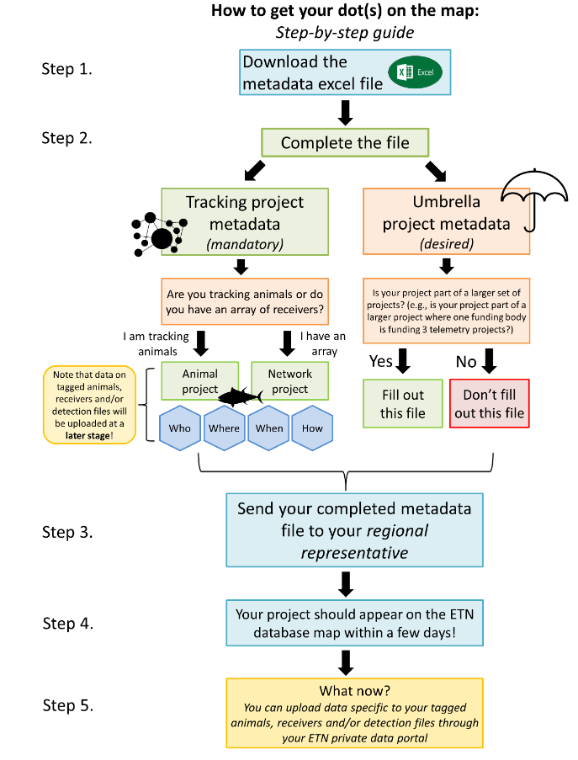
Filling out the ETN project template
Sheet: Tracking project metadata (mandatory) | If you want to start new animal1 (e.g. acoustic tags, DST, PSat, PIT, etc.) and/or network² (acoustic receivers) project, you can fill out the meta-infromation here
Sheet: Umbrella project metadata (optional) | If your project(s) is part of a larger project, including other techniques/objectives, then you can fill out the meta-information here

After completing a new tracking project (animal or network), we will create your ETN project in the database. A new dot on the ETN map (http://www.lifewatch.be/etn/) will appear!

1 Animal project = a group of tagged animals
2 Network prject = a group of receiver deployments

